DASHBOARD
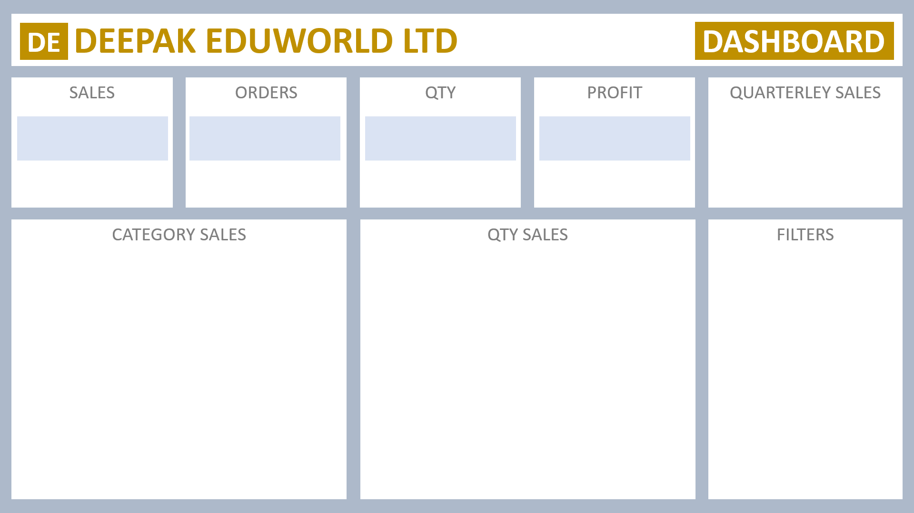

₹ 98,43,042
981
4279.8
₹ 9,84,304
 | Total
Qtr1 | 2414032
Qtr2 | 2368180
Qtr3 | 3095380
Qtr4 | 1965450

Sheet5


QUARTERLEY SALES
SALES
ORDERS
QTY
PROFIT
Qtr1 | ₹ 2,414,032
Qtr2 | ₹ 2,368,180
Qtr3 | ₹ 3,095,380
Qtr4 | ₹ 1,965,450
₹ 98,43,042
4279.8
981
₹ 9,84,304

CATEGORY SALES
QTY SALES
FILTERS

